CaCO3 Scale Block
 | Calcium Carbonate Scale Block Analysis

Customer: |  |  |  | Analysis Number:
Submitted By: |  |  |  | Date Sampled:
Production Company: |  |  |  | Date Submitted:
Field/Lease/Well: |  |  |  | Date Completed:

Test Conditions:
Test Temperature: |  | 200 °F
Baseline Pressure: |  | 75 psi
Brine Composition: |  | Synthetic Field Brine, Chlorides = 00,000 mg/L (Bicarbs increased to 500 mg/L)
Test Duration: |  | 90 minutes or until scale blocks the line

Sample |  | Treating Rate (ppm) | Time (minutes) | Max Pressure (psi) | Blank Average (minutes)
Blank 1 (Opening) |  | N/A |  |  | 0.0
Blank 2 (Closing) |  | N/A
Chemical |  | Treating Rate (ppm) | Time (minutes) | Max Pressure (psi) | Percent Protection |  | Water Quality

 |  |  |  |  | 1%
 |  |  |  |  | 100%

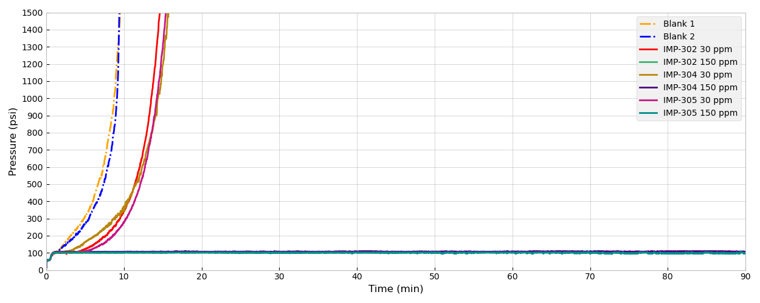
Alex Whittington |  |  |  |  |  | 0
Analyst |  |  |  |  |  | Date

